Disclaimer
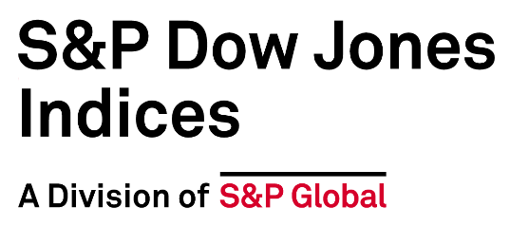

Disclaimer
Performance Disclosure/Back-Tested Data Where applicable, S&P Dow Jones Indices and its index-related affiliates (“S&P DJI”) defines various dates to assist our clients in providing transparency. The First Value Date is the first day for which there is a calculated value (either live or back-tested) for a given index. The Base Date is the date at which the index is set to a fixed value for calculation purposes. The Launch Date designates the date when the values of an index are first considered live: index values provided for any date or time period prior to the index’s Launch Date are considered back-tested. S&P DJI defines the Launch Date as the date by which the values of an index are known to have been released to the public, for example via the company’s public website or its data feed to external parties. For Dow Jones-branded indices introduced prior to May 31, 2013, the Launch Date (which prior to May 31, 2013, was termed “Date of introduction”) is set at a date upon which no further changes were permitted to be made to the index methodology, but that may have been prior to the Index’s public release date. Please refer to the methodology for the Index for more details about the index, including the manner in which it is rebalanced, the timing of such rebalancing, criteria for additions and deletions, as well as all index calculations. Information presented prior to an index’s launch date is hypothetical back-tested performance, not actual performance, and is based on the index methodology in effect on the launch date. However, when creating back-tested history for periods of market anomalies or other periods that do not reflect the general current market environment, index methodology rules may be relaxed to capture a large enough universe of securities to simulate the target market the index is designed to measure or strategy the index is designed to capture. For example, market capitalization and liquidity thresholds may be reduced. In addition, forks have
Index returns do not reflect payment of any sales charges or fees an investor may pay to purchase the securities underlying the Index or investment funds that are intended to track the performance of the Index. The imposition of these fees and charges would cause actual and back-tested performance of the securities/fund to be lower than the Index performance shown. As a simple example, if an index returned 10% on a US $100,000 investment for a 12-month period (or US $10,000) and an actual asset-based fee of 1.5% was imposed at the end of the period on the investment plus accrued interest (or US $1,650), the net return would be 8.35% (or US $8,350) for the year. Over a three-year period, an annual 1.5% fee taken at year end with an assumed 10% return per year would result in a cumulative gross return of 33.10%, a total fee of US $5,375, and a cumulative net return of 27.2% (or US $27,200). Intellectual Property Notices/Disclaimer © 2024 S&P Dow Jones Indices. All rights reserved. S&P, S&P 500, SPX, SPY, The 500, US500 , US 30, S&P 100, S&P COMPOSITE 1500, S&P 400, S&P MIDCAP 400, S&P 600, S&P SMALLCAP 600, S&P GIVI, GLOBAL TITANS, DIVIDEND ARISTOCRATS, Select Sector, S&P MAESTRO, S&P PRISM, S&P STRIDE, GICS, SPIVA, SPDR, INDEXOLOGY, iTraxx, iBoxx, ABX, ADBI, CDX, CMBX, MBX, MCDX, PRIMEX, HHPI, and SOVX are registered trademarks of S&P Global, Inc. (“S&P Global”) or its affiliates. DOW JONES, DJIA, THE DOW and DOW JONES INDUSTRIAL AVERAGE are trademarks of Dow Jones Trademark Holdings LLC (“Dow Jones”). These trademarks together with others have been licensed to S&P Dow Jones Indices LLC. Redistribution or reproduction in whole or in part are prohibited without written permission of S&P Dow Jones Indices LLC. This document does not constitute an offer of services in jurisdictions where S&P DJI does not have the necessary licenses. Except for certain custom index calculation services, all information provided by S&P DJI is impersonal and not tailored to the needs of a
To the extent that regulatory authorities allow a rating agency to acknowledge in one jurisdiction a rating issued in another jurisdiction for certain regulatory purposes, S&P Global Ratings reserves the right to assign, withdraw or suspend such acknowledgement at any time and in its sole discretion. S&P Dow Jones Indices, including S&P Global Ratings, disclaim any duty whatsoever arising out of the assignment, withdrawal, or suspension of an acknowledgement as well as any liability for any damage alleged to have been suffered on account thereof. Affiliates of S&P Dow Jones Indices LLC, including S&P Global Ratings, may receive compensation for its ratings and certain credit-related analyses, normally from issuers or underwriters of securities or from obligors. Such affiliates of S&P Dow Jones Indices LLC, including S&P Global Ratings, reserve the right to disseminate its opinions and analyses. Public ratings and analyses from S&P Global Ratings are made available on its Web sites, www.standardandpoors.com (free of charge), and www.ratingsdirect.com and www.globalcreditportal.com (subscription), and may be distributed through other means, including via S&P Global Ratings publications and third-party redistributors. Additional information about our ratings fees is available at www.standardandpoors.com/ usratingsfees. S&P Global keeps certain activities of its various divisions and business units separate from each other to preserve the independence and objectivity of their respective activities. As a result, certain divisions and business units of S&P Global may have information that is not available to other business units. S&P Global has established policies and procedures to maintain the confidentiality of certain nonpublic information received in connection with each analytical process. In addition, S&P Dow Jones Indices provides a wide range of services to, or relating to, many organizations, including issuers of securities, investment advisers, broker-dealers,

Overview
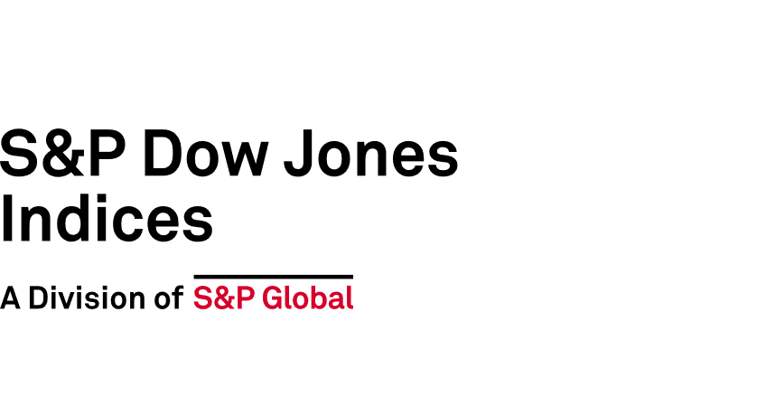
2019-01-14

Index Family Name | Region | Index License | View Indices | View Index Guides
iBoxx ABF Indices | APAC | iBoxx Asia Bond Fund (ABF) | Click here | Click here
iBoxx ADBI Indices | APAC | iBoxx ADBI | Click here | Click here
iBoxx ALBI Indices | APAC | iBoxx ALBI | Click here | Click here
iBoxx ASIA Indices | APAC | iBoxx Asia ex-Japan | Click here | Click here
iBoxx Asian High Yield Indices | APAC | iBoxx Asian High Yield | Click Here | Click Here
iBoxx AUD Indices | APAC | iBoxx AUD Large Cap | Click here | Click here
iBoxx CNH Indices | APAC | iBoxx Hang Seng iBoxx Offshore RMB | Click here | Click here
iBoxx CNY Indices | APAC | iBoxx ChinaBond | Click here | Click here
iBoxx CNY Overall | APAC | iBoxx ChinaBond IG | Click here
iBoxx JPY Indices | APAC | iBoxx JPY | Click here | Click here
iBoxx SAR Indices | APAC | iBoxx Tadawul SAR | Click here | Click here
iBoxx SGD Indices | APAC | iBoxx SGD | Click here | Click here
iBoxx USD APAC Indices | APAC | iBoxx USD Asia-Pacific | Click here | Click here
iBoxx USD ASIA Indices | APAC | iBoxx USD Asia ex-Japan | Click here | Click here
iBoxx USD Belt & Road Indices | APAC | iBoxx USD Belt & Road | Click here | Click here
iBoxx EUR Climate Transition | Europe | iBoxx Climate Transition | Click here | Click here
iBoxx EUR FRN Investment Grade Indices | Europe | iBoxx EUR FRN | Click here | Click here
iBoxx EUR High Yield Indices & iBoxx EUR Liquid High Yield Indices | Europe | iBoxx EUR HY | Click here | Click here
iBoxx EUR Indices & iBoxx EUR Liquid Investment Grade | Europe | iBoxx EUR IG | Click here | Click here
iBoxx EUR Emerging Markets Broad Indices | Europe | iBoxx EUR EM Broad | Click here | Click here
iBoxx GBP High Yield Indices & iBoxx GBP Liquid High Yield Indices | Europe | iBoxx GBP HY | Click here | Click here
iBoxx GBP Indices | Europe | iBoxx GBP IG | Click here | Click here
iBoxx ALL Maturity EUR | Europe | iBoxx ALL Maturity EUR | Click here
iBoxx ALL Maturity EUR HY | Europe | iBoxx ALL Maturity EUR HY
iBoxx ALL Maturity GBP | Europe | iBoxx ALL Maturity GBP
iBoxx ALL Maturity GBP HY | Europe | iBoxx ALL Maturity GBP HY
iBoxx Paris-Aligned EUR Corporate Indices | Europe | iBoxx Paris-Aligned | Click Here | Click Here
iBoxx Contingent Convertible Indices | Global | iBoxx Contingent Convertible | Click here | Click here
iBoxx ESG Indices | Global | iBoxx ESG | Click here | Click here
iBoxx ESG Screened Indices | Global | iBoxx ESG Screened | Click Here | Click Here
iBoxx GEMX Indices | Global | iBoxx Global Emerging Markets (GEMX) | Click here | Click here
iBoxx Global Core Indices | Global | iBoxx Global Core | Click Here | Click Here
iBoxx GLOBALGOV Indices | Global | iBoxx Global Government (GGI) | Click here | Click here
iBoxx GLOBALGOV ESG Indices | Global | iBoxx Global Government ESG | Click here | Click here
iBoxx GLOBALHY Indices | Global | iBoxx Global Developed Markets HY | Click here | Click here
iBoxx GLOBALSOV Indices | Global | iBoxx Global Developed Markets Sov | Click here | Click here
iBoxx Green Select Indices | Global | iBoxx Global Green Bonds Select | Click here | Click here
iBoxx Green Soc Sust Indices | Global | iBoxx Global Green, Social & Sustainability Bonds | Click here | Click here
iBoxx ILB Indices | Global | iBoxx Inflation-Linked (ILB) | Click here | Click here
iBoxx Infrastructure Indices | Global | iBoxx Infrastructure | Click here | Click here
iBoxx Hard Currency Emerging Markets Broad Africa Indices | Global | iBoxx Hard Currency EM Broad Africa | Click Here
iBoxx USD Emerging Markets Corporates Indices | North America | iBoxx USD Emerging Markets | Click here | Click here
iBoxx USD Emerging Markets Sovereigns Indices | North America | iBoxx USD Emerging Markets | Click here | Click here
iBoxx USD Fixed Maturity | North America | iBoxx USD Fixed Maturity | Click here | Click here
iBoxx USD Emerging Markets Broad Indices | North America | iBoxx USD Emerging Markets Broad | Click Here | Click Here
iBoxx USD FRN Indices | North America | iBoxx USD FRN | Click here | Click here
iBoxx USD High Yield Developed Markets Indices & iBoxx USD Liquid High Yield Indices | North America | iBoxx USD HY | Click here | Click here
iBoxx USD Indices & iBoxx USD Liquid Investment Grade Indices | North America | iBoxx USD IG | Click here | Click here
iBoxx USD Leveraged Loan Indices | North America | iBoxx USD Loans | Click here | Click here
iBoxx USD MM Indices | North America | iBoxx USD IG | Click here | Click here
iBoxx USD Sukuk Indices | North America | iBoxx USD Sukuk | Click Here | Click Here
iBoxx USD Treasuries | North America | iBoxx USD Treasuries | Click Here | Click Here
S&P ASX iBoxx AUD | APAC | S&P ASX iBoxx | Click Here | Click Here
iBoxx USD JUST Indices | North America | iBoxx USD JUST | Click Here | Click Here

